DCDC-Direkt
Spule | Mantikala p60 & p106ff

Anforderungen
Induktivität [uH] | 200
I_max [A] | 10
P_loss_Max [W] | 2
-> R_DC MAX [Ohm|mOhm] | 0.0200 | 20.00

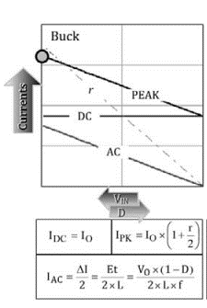
Induktivität

Worst Case Low Power -> High Inductivity
Vorgabe r
P | 10 |  | I_OUT | 0.77
V_OUT | 13 |  | I_L = I_DC | 0.77
V_IN | 35 |  | D | 0.37
r | 2 |  | T [us] | 31.87
f | 31373 |  | L[uH] (Mantikala) | 169.30
 |  |  | I_AC | 1.22
 |  |  | I_PK | 1.99
 |  |  | I_AG | 0.65

Worst Case High Power - > High Currents
Vorgabe r
P | 100 |  | V_ON | 48.00
V_OUT | 12 |  | V_OFF | 12.00
V_IN | 60 |  | I_OUT | 8.33
L [uH] | 200 |  | I_L = I_DC | 8.33
f | 31373 |  | D | 0.20
 |  |  | T [us] | 31.87
 |  |  | r | 0.18
 |  |  | I_AC | 0.76
 |  |  | I_PK | 9.10
 |  |  | I_AG | 0.66

Bei 10 W soll Continuous conduction Mode erreicht werden -> r=2 (bei V_in = 35V (aus erster messreihe) und V_OUT 13 V (Voller Akku schwacher Ladestrom) -> 170 uH

Mit gleicher Spule (mit Sicherheit 200 uH) maximale Stromstärke bei grosßer Leistung -> 100 W macht 9,1 A I_PK

Leitungswiderstand

rho [(Ω·mm2)/m] | 0.017
l [m] | 1
A [mm^2] | 0.7853981634
R [Ohm|mOhm] | 0.02164507226 | 21.64507226

P_loss @ 10 A [W] | 2.164507226

Für REVERSE BOOST MODE

Vorgabe L
P | 112.7489194 |  | V_ON | 12.00
V_OUT | 36 |  | V_OFF | 24.00
V_IN | 12 |  | I_OUT | 3.13
L [uH] | 211 |  | I_L = I_DC | 9.40
f | 31373 |  | D | 0.67
 |  |  | T [us] | 31.87
 |  |  | r | 0.13 | 0.12862350501
 |  |  | I_AC | 0.60
 |  |  | I_PK | 10.00
 |  |  | I_AG | 0.17

Maximal 103 W um bei I_PK von 10A zu bleiben. IDEAL! Wirkungsgrad = 100 %
Wenn V_IN größer I_PK entsprechend kleiner, trotzdem 100W max!!

Spule Mantikala p.107ff

P | 100 |  | I_O = I_L [A] | 8.33
V_O | 12 |  | D | 0.21
V_D | 0.7 |  | t_on [us] | 6.68
V_IN | 60 |  | V_ON | 47.94
V_SW | 0.06 |  | Et [V us] | 320.03
f | 31373 |  | L * I [uh A] | 1600.13
r | 0.2 |  | L [uH] | 192.02
 |  |  | I_PK [A] | 9.17

DCDC Diode

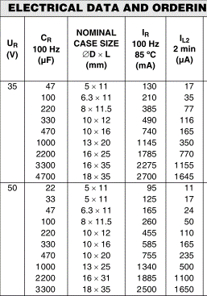
Keine Diode mehr, dafür Halbbrücke mit 2 MOSFETs

OUT Kondensator

Anforderungen:
Ripple Current[I] | 0.48
V_OUT_max (15 V + 50%) [V] | 22.5

I_RMS_OUT [A] (max) | 0.48
ESR (siehe Bsp Datenblatt) [Ohm]
V_RIPPLE_RMS_IN [V|%] |  |  |  |  |  | https://www.conrad.de/de/elektrolyt-kondensator-radial-bedrahtet-5-mm-1000-f-25-vdc-20-o-x-h-10-mm-x-20-mm-vishay-2222-037-36102-1-st-446132.html
 |  |  |  |  |  | http://www.produktinfo.conrad.com/datenblaetter/425000-449999/446132-da-01-en-STANDARD_ELKO_85GRAD_1000__25V.pdf
Auswahl
2 * 50 V,220 uF (von Avias Dad, hatte ich noch)

=IN Kondensator Für Rev. BOOST MODE

Anforderungen:
Ripple Current[I] | 1.94
V_max (15 V + 50%) | 22.5
V_RIPPLE_IN_MAX (5-10% * V_IN) | 0.91

I_RMS_IN [A] (max) | 1.94
ESR (siehe Bsp Datenblatt) [Ohm] | 0.40
V_RIPPLE_RMS_IN [V|%] | 0.78 | 0.00

Worst @ D=50
Vorgabe L
P | 100 |  | V_ON | 13.00
V_OUT | 26.0 |  | V_OFF | 12.99
V_IN | 13 |  | I_OUT | 3.85
L [uH] | 211 |  | I_L = I_DC | 7.69
f | 31373 |  | D | 0.50
 |  |  | T [us] | 31.87
 |  |  | r | 0.13
 |  |  | I_AC | 0.49
 |  |  | I_PK | 8.18
 |  |  | I_AG | 0.22

Die von Avias Dad rechen nicht wg. Ripple Current im reverse Betrieb. Entweder 4 parallel oder größere

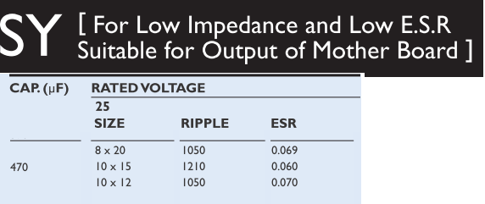
z.B. 2 x Yageo SY025M0470B5S-1015 | https://www.conrad.de/de/elektrolyt-kondensator-radial-bedrahtet-5-mm-470-f-25-v-20-o-x-h-10-mm-x-15-mm-yageo-sy025m0470b5s-1015-1-st-442625.html
 | Preis: 2 x 0,18 €

IN Kondensator

Anforderungen:
Ripple Current[I] | 4.19
V_max (60 V + 50%) | 90
V_RIPPLE_IN_MAX (5-10% * V_IN) | 1.68

I_RMS_IN [A] (max) | 4.19
ESR (siehe Bsp Datenblatt) [Ohm] | 0.40
V_RIPPLE_RMS_IN [V|%] | 1.68 | 0.07

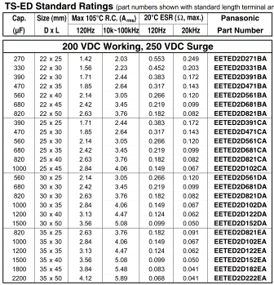
Worst @ D=50
Vorgabe L
P | 100 |  | V_ON | 12.00
V_OUT | 12 |  | V_OFF | 12.00
V_IN | 24 |  | I_OUT | 8.33
L [uH] | 200 |  | I_L = I_DC | 8.33
f | 31373 |  | D | 0.50
 |  |  | T [us] | 31.87
 |  |  | r | 0.11 |  | Kostet 2-5 €
 |  |  | I_AC | 0.48 |  | https://www.conrad.de/de/elektrolyt-kondensatoren-o0245812.html?tfo_ATT_NOMINAL_VOLTAGE=200%20V&tfo_ATT_NUM_ELECTRIC_CAPACITY=470%20%C2%B5F~~~560%20%C2%B5F~~~680%20%C2%B5F~~~820%20%C2%B5F
 |  |  | I_PK | 8.81
 |  |  | I_AG | 0.42
 |  |  |  |  |  |  | Teapo LXK 820uF 200V 25x50 2.25A
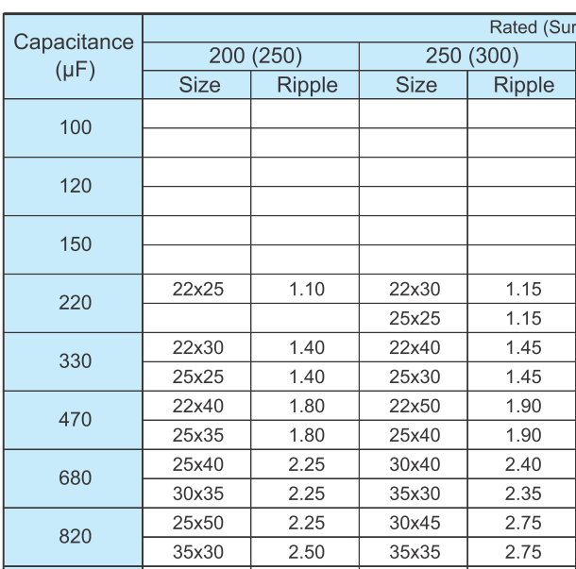

Auswahl:
2 Große Eingangs Kondensatoren aus Netzteil: 200 V 680 uF

=OUT Kondensator Für Rev. BOOST MODE

I_RMS_OUT [A] (max) | 4.55
 | die ausgewählten müssten rechen (2 x 3,45 A = 6,9 A)

worst Case @ D=50

Vorgabe L
P | 100 |  | V_ON | 11.00
V_OUT | 22 |  | V_OFF | 11.00
V_IN | 11 |  | I_OUT | 4.55
L [uH] | 211 |  | I_L = I_DC | 9.09
f | 31373 |  | D | 0.50
 |  |  | T [us] | 31.87
 |  |  | r | 0.09
 |  |  | I_AC | 0.42
 |  |  | I_PK | 9.51
 |  |  | I_AG | 0.18

Bootstrap Comp
Kondensator

Anforderungen | C | >=150nF
 | Material | non Elko, low ESR

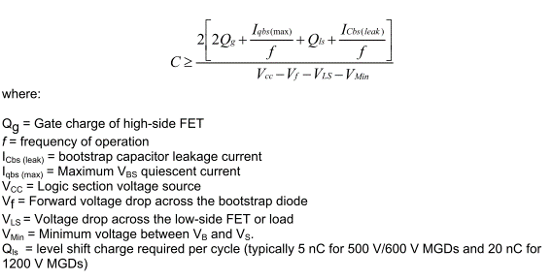

NMOS | IRFB4110PBF
Q_G [nC|C] | 150 | 0.00000015
I_qbs [uA|A] | 75 | 0.000075
Q_is [nC|C] | 5 | 0.000000005
I_Cbs | 0 |  | not Elko
f [Hz] | 32000
V_CC [V] | 10
V_f [V] | 0.7
V_LS [V] | 0.7 |  | DCDC-Diode?
V_Min [V] | 1 |  | Annahme???

C [nf|F] | 80.879934211 | 8.0879934211E-08

Bemerkungen:
DT 04 4 p2 | paralleling electrolytic and low ESR ceramic may result in an efficient solution
AN 978 p5 | Local decoupling capacitors on the V CC (and digital) supply are useful in practice to compensate for the inductance of the supply lines.

Auswahl | 2x 100nF Keramik (104) parallel

Diode

Anforderungen | V_F | minimal
 | V_RRM | min 100 V
 | I_F [mA|A] | 4.8 | 0.0048 | f*Q_G

 | Diode | V_RRM [V] | I_F [mA] | V_F [V] @25°C, 10mA | Hab ich
 | BAT 46 | 100 | 5000 | 0,45 @25°C, 10mA
 | SB5100 | 100 | 150 | < 0,79 @25°C, 5A | x

MOSFET
MOSFET Auswahl

Anforderung | R_DS_ON | max 10 mOhm
 | Preis | max 2 €
 | V_DS | min 100V
 | Ausführung | N-Kanal
 | Montage | Lochdurchführung

Such-Link Conrad: | https://www.conrad.de/de/mosfets-o5104021.html?tfo_ATT_MOUNTING_METHOD=Durchf%C3%BChrungsloch&tfo_ATT_LOV_MODEL_TRANSISTORS=N-Kanal&tfo_ATT_NUM_U_DSS=100%20V~~~150%20V~~~200%20V&tfo_ATT_NUM_RDS_ON=4.3%20m%CE%A9~~~4.5%20m%CE%A9~~~5%20m%CE%A9~~~5.2%20m%CE%A9~~~5.9%20m%CE%A9~~~6%20m%CE%A9~~~7%20m%CE%A9~~~9%20m%CE%A9~~~10%20m%CE%A9~~~13.9%20m%CE%A9~~~14%20m%CE%A9~~~15%20m%CE%A9&sort=Price-asc&offerId=CE156103#openLayer=product-comparison-layer
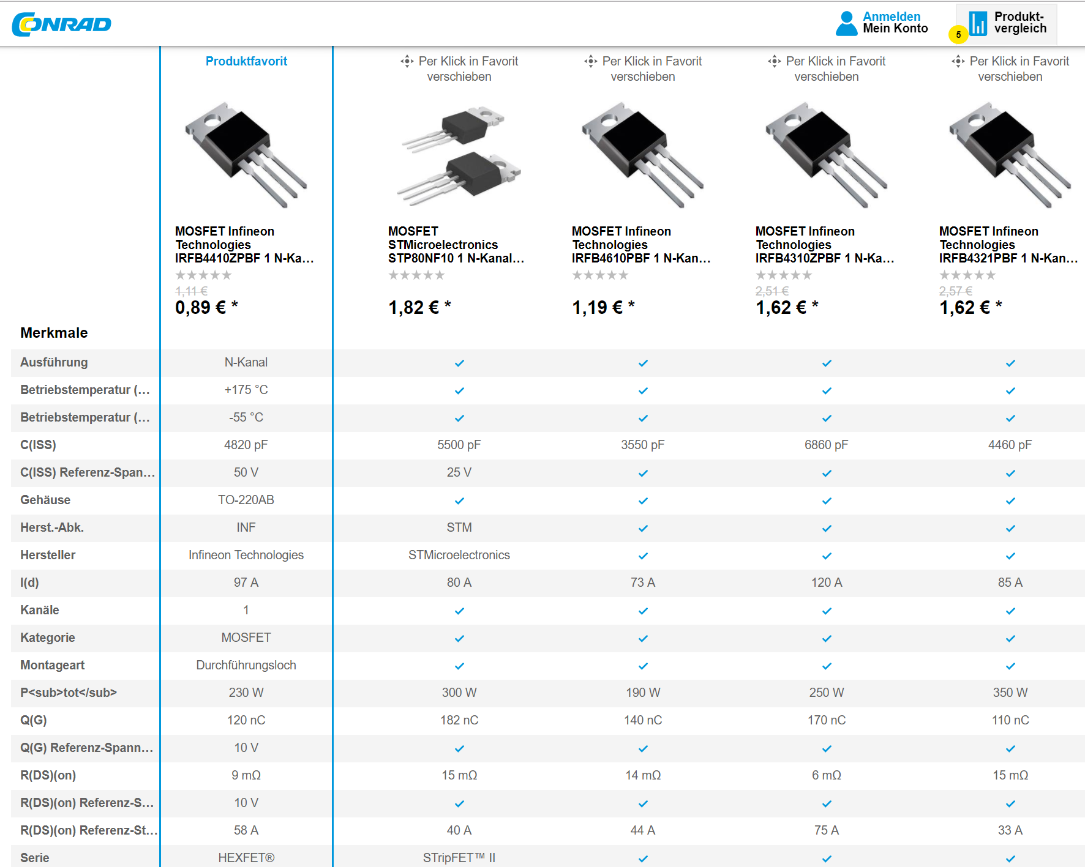

Auswahl | IRFB4410ZPBF

Dumpload
Der Dumpload soll in der Lage sein mit 10 A Strom die gesamte Nennleistung des Motors in Wärme umzuwandeln, das entspricht 350 W / 10 A = 35 V -> 35 V / 10 A = 3,5 Ohm
Dazu werden 4 100 W Lastwiderstände als 2 in Reihe und 2 Parallel verschalten. Das ergibt 4 Ohm also bei 37,4 V werden mit 9,35 A 350 W verbraucht. Frage: Wie schnell dreht er sich dann?
Schaltung
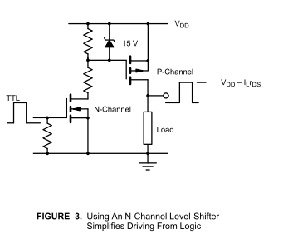

C:\Users\J B\tubcloud\Module\Masterarbeit\Literatur\Elektro\MOSFET\P_channel MOSFETs high side - Vishay.pdf
N_Channel:
Anforderungen:
U_GS_th=LL (5 V max)

IRFU310

P_Channel:
Anforderung: V_DS=100 V, I_max=10 A
https://www.conrad.de/de/mosfet-infineon-technologies-irf9540npbf-1-p-kanal-140-w-to-220-162537.html
R_DS_on= 114mR
https://www.conrad.de/de/mosfet-infineon-technologies-irf9530npbf-1-p-kanal-79-w-to-220-162536.html
R_DS_on= 200mR

